Description
Description
You have a dataset of Social Media Usage. It contains the following Columns. Age, Gender, Time spent (in Hours), Platform, Interests, Demographics, Profession, Income, In debt, Is House Owner, Owns Car.

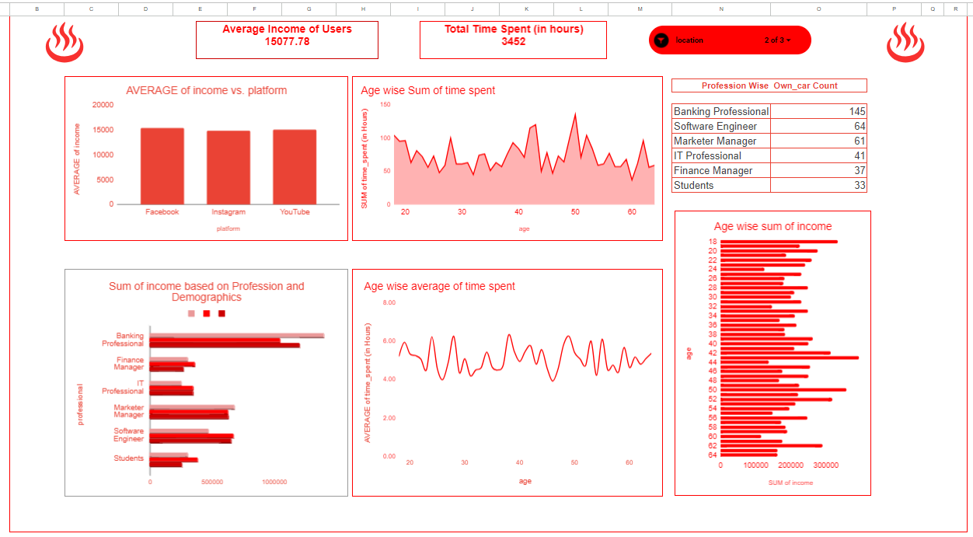
The dashboard should look like this-

Filters to be used
Location Slicer - India and Australia

Background White | #ffffff
Red for charts | #ff0000
Dark red for charts | #990000
Light Red for charts | #ea4335

Emoji | ♨️

